Sheet1
BUG_ID | Test Objective | Steps to reproduce | Expected Result | Actual Result | URL | Screen Shot (Drive Link) | Priority | Reporter | Date | Bug Type | QA Status
BUG_01 | Scroll To Top ARROW SYMBOL Is Missing | Open Gurbly Site -->HOME PAGE | It Should Display SCROLL TO TOP ARROW Symbol Clearly | SCROLL TO TOP ARROW Symbol Was Not Clearly Mentioned. | https://getgrubly.com/ | 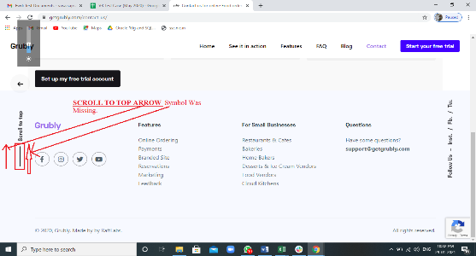 | HIGH | SAI KUMAR | 2021-01-30 | FUNCTIONAL BUG | It Was Viewed & Verified By Sai Kumar
BUG_02 | EXPAND ARROW Is NOT WOEKING Properly,It Should Worling Properly,It Should Show All Things Once We Click On Expand Arrow Clearly. | Open Gurbly Site -->HOME PAGE | EXPAND ARROW Should Worling Properly,It Should Show All Things Once We Click On Expand Arrow Clearly. | It Was Not Working Properly,Unable To Click It Clearly. | https://getgrubly.com/ | 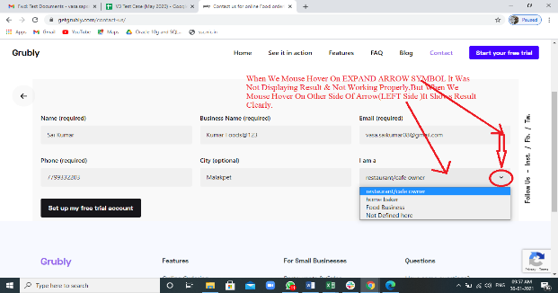 | HIGH | SAI KUMAR | 2021-01-30 | FUNCTIONAL BUG | It Was Viewed & Verified By Sai Kumar
BUG_03 | The Functionality Of FEATURES , For SMALL BUSINESSES, QUESTIONS Is Not Working Once We Click On It. | Open Gurbly Site -->HOME PAGE | The Functionality Of FEATURES , For SMALL BUSINESSES, QUESTIONS Is To Be Worked Once We Click On It. | The Functionality Of FEATURES , For SMALL BUSINESSES, QUESTIONS Is Not Worlimg Once We Click On It. | https://getgrubly.com/ | 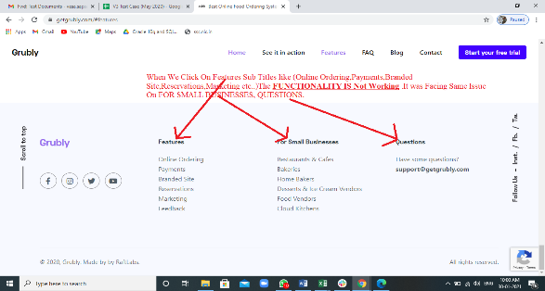 | HIGH | SAI KUMAR | 2021-01-30 | FUNCTIONAL BUG | It Was Viewed & Verified By Sai Kumar
BUG_04 | The Menu Of NORTH INDIAN Shold Move To TOP SIDE.Some Space Is Missing At TOP . | Open Gurbly Site -->HOME PAGE | The Menu Of NORTH INDIAN Shold Move To TOP SIDE.Some Space Is Missing At TOP . | The Menu Of NORTH INDIAN Is Moves To DOWN SIDE . | https://getgrubly.com/ | 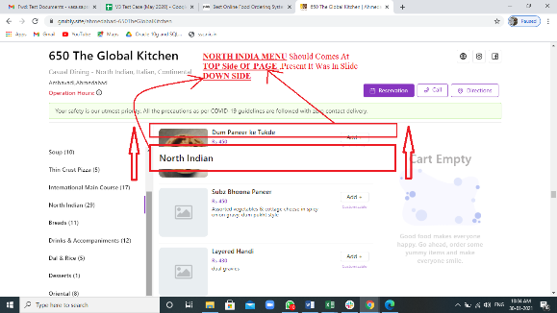 | HIGH | SAI KUMAR | 2021-01-30 | FUNCTIONAL BUG | It Was Viewed & Verified By Sai Kumar
BUG_05 | On 650 THE GLOBAL KITCHEN, When We Move From BOTTOM TO TOP,It Viesw DESSERTS ITEMS,But In ITEMS MENU It Was Showing ORIENTAL ITEMS(The Functionality Was Miss Matching) | Open Gurbly Site -->HOME PAGE -->650 THE GLOBAL KITCHEN | On 650 THE GLOBAL KITCHEN, When We Move From BOTTOM TO TOP,It Shoud View DESSERTS ITEMS In ITEMS MENU. | On 650 THE GLOBAL KITCHER, When We Move From BOTTOM TO TOP,It Views DESSERTS ITEMS,But In ITEMS MENU It Was Showing ORIENTAL ITEMS(The Functionality Was Miss Matching) | https://getgrubly.com/ | 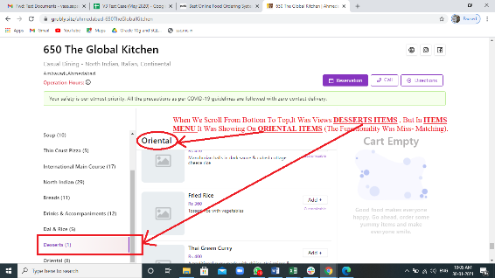 | HIGH | SAI KUMAR | 2021-01-30 | FUNCTIONAL BUG | It Was Viewed & Verified By Sai Kumar
BUG_06 | On 650 THE GLOBAL KITCHEN, The BORDERS Of The IMAGE OR PIC Which Was Uploaded,Its BOUNDRIES Was NOT SAME For THIN CRUST PIZZA & GARDEN PIZZA(Square At TOP Side Of THIN CRUST PIZZA & Curve At Bottom Side.VICEVERSA FOR GARDEN PIZZA) | Open Gurbly Site -->HOME PAGE | On 650 THE GLOBAL KITCHEN, The BORDERS Of The IMAGE OR PIC Which Was Uploaded,Its BOUNDRIES Should Be SAME At TOP & BOTTOM SIDE. | On 650 THE GLOBAL KITCHEN, The BORDERS Of The IMAGE OR PIC Which Was Uploaded,Its BOUNDRIES Was NOT SAME For THIN CRUST PIZZA & GARDEN PIZZA(Square At TOP Side Of THIN CRUST PIZZA & Curve At Bottom Side.VICEVERSA FOR GARDEN PIZZA) | https://getgrubly.com/ | 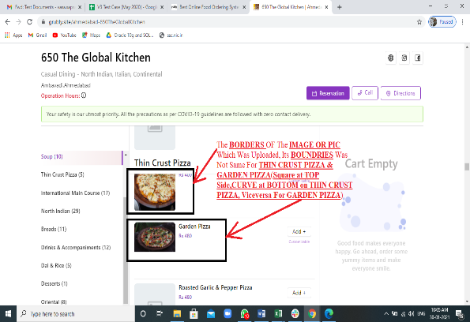 | HIGH | SAI KUMAR | 2021-01-30 | FUNCTIONAL BUG | It Was Viewed & Verified By Sai Kumar
BUG_07 | On 650 THE GLOBAL KITCHEN, When We Move From BOTTOM TO TOP,When We Mouse Hover On INTERNATIONAL MAIN COURSE ITEMS,But In ITEMS MENU It Was Showing NORTH INDIAN ITEMS(The Functionality Was Miss Matching) | Open Gurbly Site -->HOME PAGE-->650 The GLOBAL KITCHEN | On 650 THE GLOBAL KITCHEN, When We Move From BOTTOM TO TOP,When We Mouse Hover On INTERNATIONAL MAIN COURSE ITEMS It Should Display All That Particular INTERNATIONAL MAIN COURSE ITEMS only. | On 650 THE GLOBAL KITCHEN, When We Move From BOTTOM TO TOP,When We Mouse Hover On INTERNATIONAL MAIN COURSE ITEMS,But In ITEMS MENU It Was Showing NORTH INDIAN ITEMS(The Functionality Was Miss Matching) | https://getgrubly.com/ | 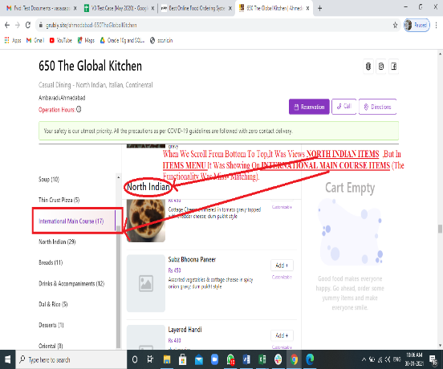 | HIGH | SAI KUMAR | 2021-01-30 | FUNCTIONAL BUG | It Was Viewed & Verified By Sai Kumar
BUG_08 | The GST % Should Be Shown Clearly This Will EFFECT Our BUSINESS From ENDUSERS(CUSTOMERS) | Open Gurbly Site -->HOME PAGE-->650 The GLOBAL KITCHEN--> Your Order Page | The GST % Should Be Shown Clearly. | The GST % Is Not Shown Clearly In Order Page,This Will EFFECT Our BUSINESS From ENDUSERS(CUSTOMERS) | https://getgrubly.com/ | 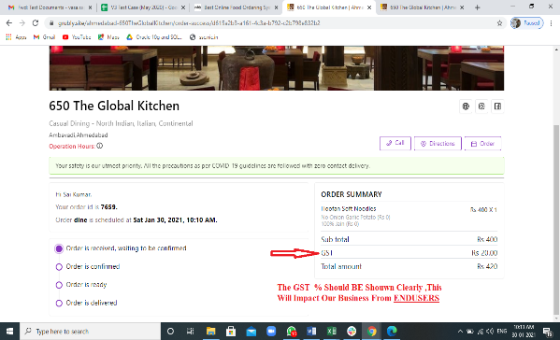 | HIGH | SAI KUMAR | 2021-01-30 | FUNCTIONAL BUG | It Was Viewed & Verified By Sai Kumar
BUG_09 | SCROLL BAR Is Missing On YOUR ORDERS PAGE. | Open Gurbly Site -->HOME PAGE-->650 The GLOBAL KITCHEN-->Order Page | SCROLL BAR Should Be There On YOUR ORDERS PAGE. | SCROLL BAR Is Missing On YOUR ORDERS PAGE. | https://getgrubly.com/ | 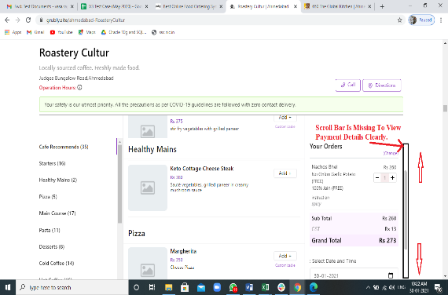 | HIGH | SAI KUMAR | 2021-01-30 | FUNCTIONAL BUG | It Was Viewed & Verified By Sai Kumar
BUG_10 | UNABLE To Enter MOBILE NUMBER OF 10 Digits (Using Site On ANDROID MOBILE) | Open Gurbly Site -->HOME PAGE | Should Be ABLE To Enter MOBILE NUMBER OF 10 Digits (Using Site On ANDROID MOBILE) | UNABLE To Enter MOBILE NUMBER OF 10 Digits (Using Site On ANDROID MOBILE) | https://getgrubly.com/ | 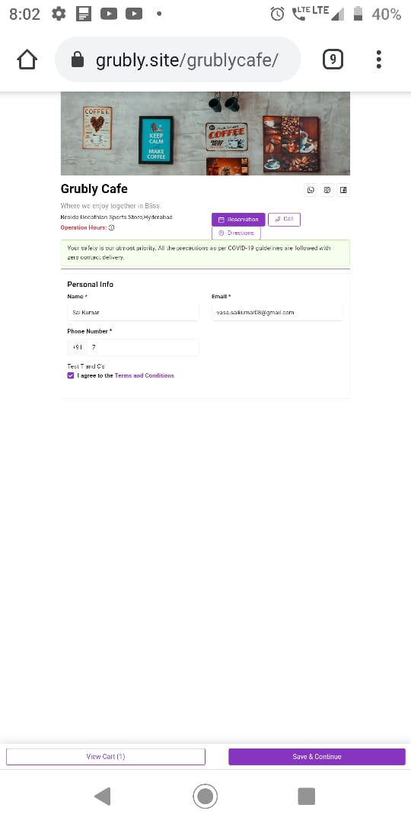 | HIGH | SAI KUMAR | 2021-01-30 | FUNCTIONAL BUG | It Was Viewed & Verified By Sai Kumar
BUG_11 | UNABLE To Enter ZIP Or PIN CODE OF 5-6 Digits (Using Site On ANDROID MOBILE) | Open Gurbly Site -->HOME PAGE-->650 The GLOBAL KITCHEN-->Order Page | Should Be ABLE To Enter ZIP Or PIN CODE OF 5-6 Digits (Using Site On ANDROID MOBILE) | UNABLE To Enter ZIP Or PIN CODE OF 5-6 Digits (Using Site On ANDROID MOBILE) | https://getgrubly.com/ | 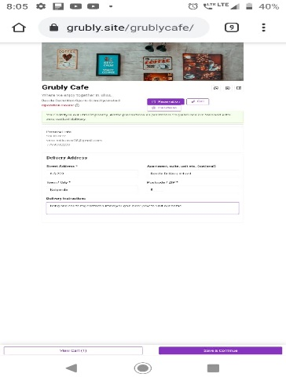 | HIGH | SAI KUMAR | 2021-01-30 | FUNCTIONAL BUG | It Was Viewed & Verified By Sai Kumar

